Sheet1
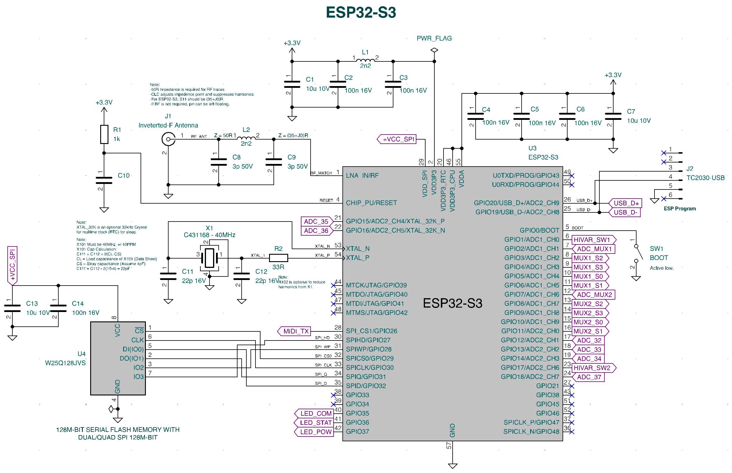
D20 Mapping
 |  |  |  | ESP32 Wiring
ESP32 GPIO | Operation | Note | *High-Hat/Trigger Input
0 | Boot | 1 = Normal Operation | T = TIP
1 | Hi-Hat/Trigger Switch 1 | 0 = Trigger, 1 = High-Hat | R = RING
2 | ADC_MUX1 | MUX 1 analog input
3 | MUX1_S2 | See MUX 1 Table
4 | MUX1_S3 | See MUX 1 Table
5 | MUX1_S0 | See MUX 1 Table
6 | MUX1_S1 | See MUX 1 Table
7 | ADC_MUX2 | MUX 2 analog input
8 | MUX2_S2 | See MUX 2 Table
9 | MUX2_S3 | See MUX 2 Table
10 | MUX2_S0 | See MUX 2 Table
11 | MUX2_S1 | See MUX 2 Table
12 | ADC_32 | 17-R
13 | ADC_33 | 18-T
14 | ADC_34 | 17-T
15 | ADC_35 | 19-R
16 | ADC_36 | 19-T
17 | Hi-Hat/Trigger Switch 2 | 0 = Trigger, 1 = High-Hat
18 | ADC_37 | 20-IN*
26 | MIDI TX | MIDI Data Send
35 | LED COMM | Use FlashLED library to send data to RGB LED.
36 | LED STATUS | Use FlashLED library to send data to RGB LED.
37 | LED POWER | Use FlashLED library to send data to RGB LED.

S3, S2, S1, S0 | MUX1 Input | Jack Location
0000 | 0 | 6-R
0001 | 1 | 3-T |  | Input Look-up Table
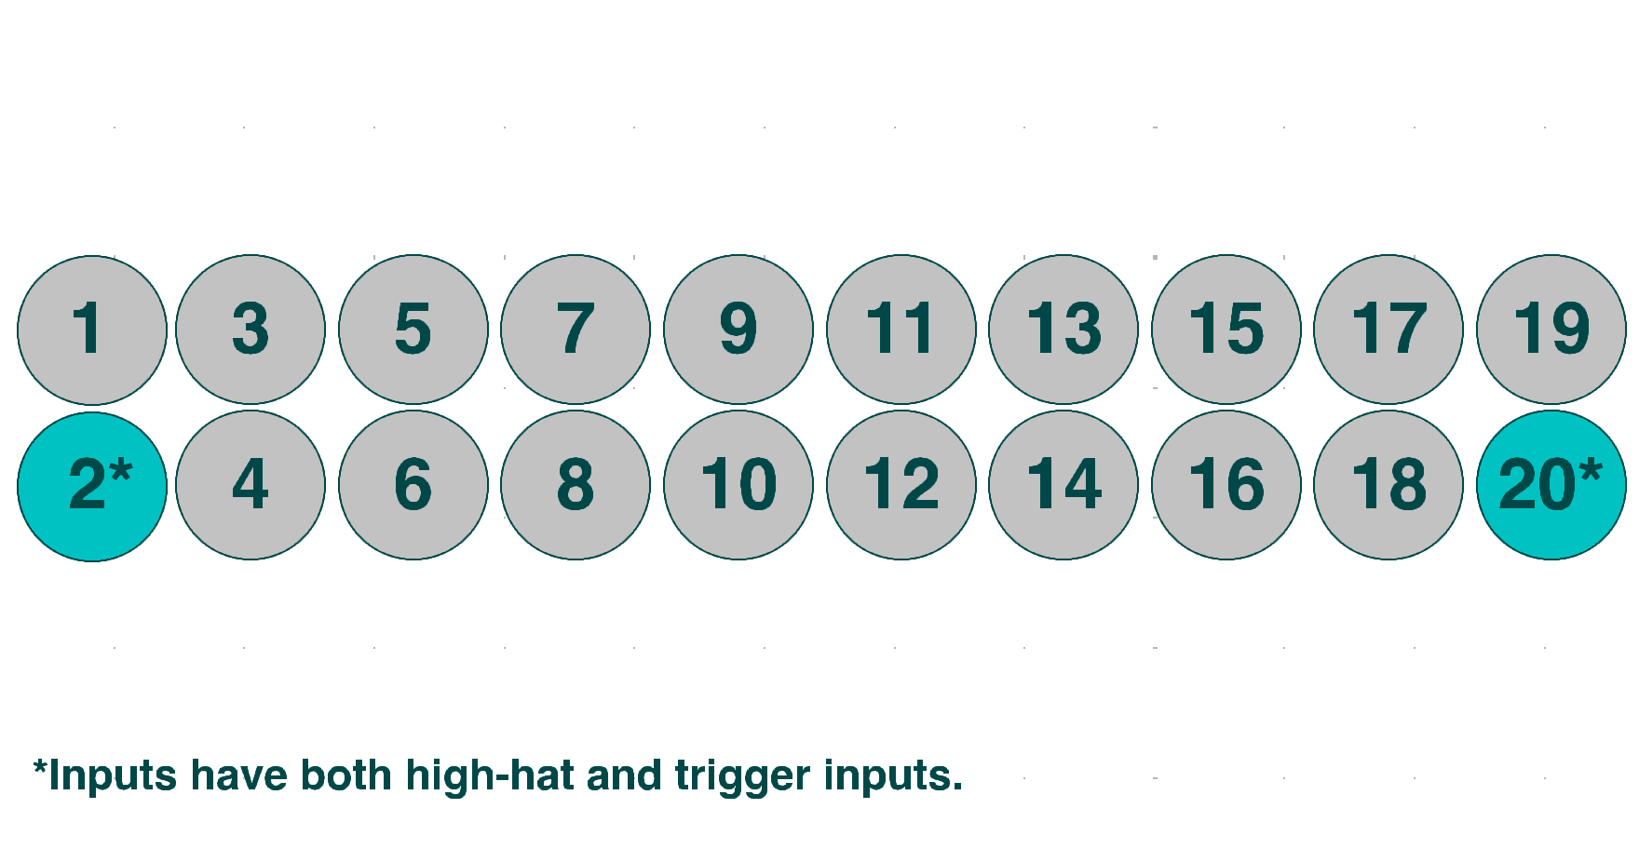
0010 | 2 | 4-T
0011 | 3 | 3-R
0100 | 4 | 4-R
0101 | 5 | 2-IN*
0110 | 6 | 1-T
0111 | 7 | 1-R
1000 | 8 | 10-R
1001 | 9 | 7-T
1010 | 10 | 8-T
1011 | 11 | 7-R
1100 | 12 | 8-R
1101 | 13 | 5-T
1110 | 14 | 6-T
1111 | 15 | 5-R

S3, S2, S1, S0 | MUX2 Input | Jack Location
0000 | 0 | 14-R
0001 | 1 | 11-T
0010 | 2 | 11-R
0011 | 3 | 12-T
0100 | 4 | 12-R
0101 | 5 | 9-T
0110 | 6 | 10-T
0111 | 7 | 9-R
1000 | 8 | 18-R
1001 | 9 | 15-T
1010 | 10 | 16-T
1011 | 11 | 15-R
1100 | 12 | 16-R
1101 | 13 | 13-T
1110 | 14 | 14-T
1111 | 15 | 13-R

